Data Plots
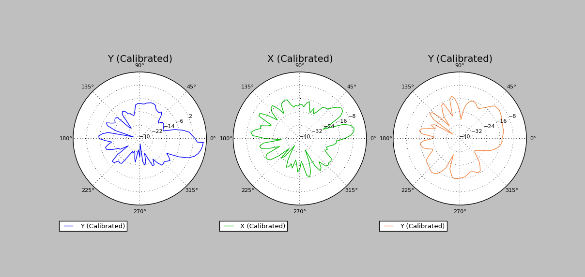
Data Collection Plots
Date: | 2017-08-29
DUT Label:
DUT Serial Number:

